Sheet1
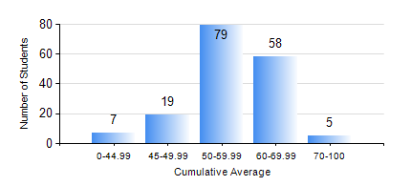
 |  |  | KWAME NKRUMAH UNIVERSITY OF SCIENCE AND TECHNOLOGY, KUMASI Department of Agricultural and Biosystems Engineering

 |  |  | BSC. AGRICULTURAL ENG.

 |  |  | COMPREHENSIVE RECORD OF EXAMINATION RESULTS

 |  |  | RESULTS OF YEAR 3 FIRST SEMESTER, 2022/2023 ACADEMIC YEAR

 | Sn | Course Code |  | Course Name | Credit Hours | Min. Mark | Max. Mark | Avg. Mark | Std. Dev. | No. Passed | No. Trailed | No. (Df) | No. (I) | No. (I*) | No. Tagged(I,I*,Df) | Total
 | 0. |  |  |  |  |  |  | 0 | 0 | 0 | 0 | 0 | 0 | 0 | 0 | 6
 | 1. | AE 351 |  | SOIL AND WATER ENGINEERING | 3 | 0 | 83 | 68 | 12.51 | 161 | 1 | 0 | 0 | 0 | 0 | 162
 | 2. | AE 353 |  | AGRICULTURAL MATERIALS HANDLING AND PROCESSING | 3 | 0 | 75 | 52 | 10.28 | 156 | 6 | 0 | 0 | 0 | 0 | 162
 | 3. | AE 373 |  | MACHINE DESIGN I | 3 | 0 | 79 | 55 | 10.46 | 157 | 5 | 0 | 0 | 0 | 0 | 162
 | 4. | AE 381 |  | COMPUTER APPLICATION FOR AGRICULTURAL ENGINEERS | 2 | 0 | 87 | 56 | 13.88 | 152 | 10 | 0 | 0 | 0 | 0 | 162
 | 5. | MATH 351 |  | NUMERICAL ANALYSIS | 2 | 0 | 87 | 51 | 12.29 | 143 | 19 | 0 | 0 | 0 | 0 | 162
 | 6. | ME 355 |  | STRENGTH OF MATERIALS II | 3 | 12 | 95 | 65 | 19.99 | 149 | 13 | 0 | 0 | 0 | 0 | 162
 | 7. | ME 365 |  | THERMODYNAMICS II | 3 | 0 | 83 | 54 | 9.9 | 159 | 3 | 0 | 0 | 0 | 0 | 162

